Daily Power Station Chart_15-01
Plant_10/03/2025Chart

Plant:odco1 |  |  | Installed Capacity:111.180kWp
Today Yield(kWh):620.200kWh |  | Today Earning:248080.000TND |  | Today Full Load Hours(h):5.58h

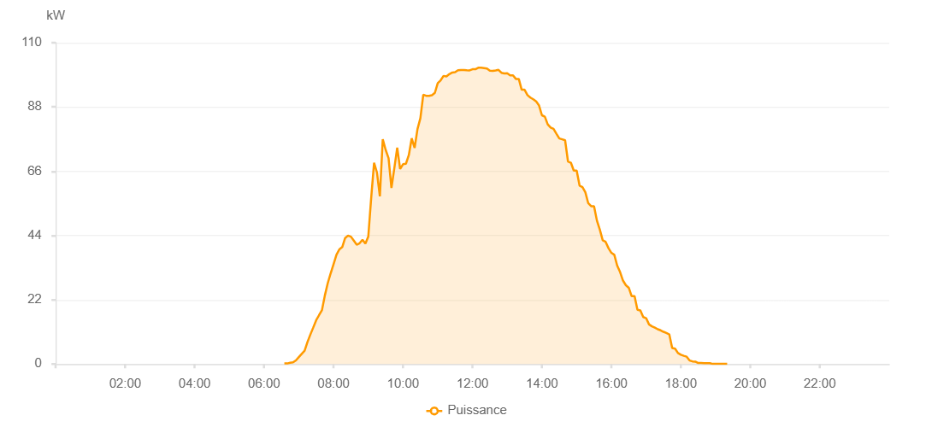

Number | Time | Working State | PV(W) | Instantaneous Radiation(W/㎡)
1 | 06:40:00 | Online | 250.00000 | 0
2 | 06:45:00 | Online | 190.00000 | 0
3 | 06:50:00 | Online | 440.00000 | 0
4 | 06:55:00 | Online | 780.00000 | 2.00000
5 | 07:00:00 | Online | 1110.00000 | 6.00000
6 | 07:05:00 | Online | 2000.00000 | 11.00000
7 | 07:10:00 | Online | 2480.00000 | 19.00000
8 | 07:15:00 | Online | 2790.00000 | 21.00000
9 | 07:20:00 | Online | 3540.00000 | 27.00000
10 | 07:25:00 | Online | 3980.00000 | 31.00000
11 | 07:30:00 | Online | 6460.00000 | 42.00000
12 | 07:35:00 | Online | 8260.00000 | 61.00000
13 | 07:40:00 | Online | 8230.00000 | 95.00000
14 | 07:45:00 | Online | 11410.00000 | 119.00000
15 | 07:50:00 | Online | 16350.00000 | 141.00000
16 | 07:55:00 | Online | 20480.00000 | 177.00000
17 | 08:00:00 | Online | 22140.00000 | 210.00000
18 | 08:05:00 | Online | 25640.00000 | 233.00000
19 | 08:10:00 | Online | 27190.00000 | 233.00000
20 | 08:15:00 | Online | 31060.00000 | 254.00000
21 | 08:20:00 | Online | 31910.00000 | 254.00000
22 | 08:25:00 | Online | 27950.00000 | 332.00000
23 | 08:30:00 | Online | 28740.00000 | 310.00000
24 | 08:35:00 | Online | 21770.00000 | 197.00000
25 | 08:40:00 | Online | 34650.00000 | 217.00000
26 | 08:45:00 | Online | 37380.00000 | 437.00000
27 | 08:50:00 | Online | 37300.00000 | 374.00000
28 | 08:55:00 | Online | 30760.00000 | 335.00000
29 | 09:00:00 | Online | 38940.00000 | 260.00000
30 | 09:05:00 | Online | 46540.00000 | 365.00000
31 | 09:10:00 | Online | 44590.00000 | 395.00000
32 | 09:15:00 | Online | 50900.00000 | 485.00000
33 | 09:20:00 | Online | 49440.00000 | 485.00000
34 | 09:25:00 | Online | 53980.00000 | 500.00000
35 | 09:30:00 | Online | 69830.00000 | 642.00000
36 | 09:35:00 | Online | 70030.00000 | 651.00000
37 | 09:40:00 | Online | 70530.00000 | 651.00000
38 | 09:45:00 | Online | 72480.00000 | 679.00000
39 | 09:50:00 | Online | 73650.00000 | 687.00000
40 | 09:55:00 | Online | 73960.00000 | 715.00000
41 | 10:00:00 | Online | 77180.00000 | 722.00000
42 | 10:05:00 | Online | 78970.00000 | 739.00000
43 | 10:10:00 | Online | 79630.00000 | 757.00000
44 | 10:15:00 | Online | 80540.00000 | 767.00000
45 | 10:20:00 | Online | 82260.00000 | 781.00000
46 | 10:25:00 | Online | 84110.00000 | 796.00000
47 | 10:30:00 | Online | 85560.00000 | 810.00000
48 | 10:35:00 | Online | 86150.00000 | 810.00000
49 | 10:40:00 | Online | 86590.00000 | 825.00000
50 | 10:45:00 | Online | 88060.00000 | 851.00000
51 | 10:50:00 | Online | 88370.00000 | 858.00000
52 | 10:55:00 | Online | 88840.00000 | 865.00000
53 | 11:00:00 | Online | 90760.00000 | 879.00000
54 | 11:05:00 | Online | 91180.00000 | 887.00000
55 | 11:10:00 | Online | 91320.00000 | 884.00000
56 | 11:15:00 | Online | 91850.00000 | 900.00000
57 | 11:20:00 | Online | 91850.00000 | 900.00000
58 | 11:25:00 | Online | 91830.00000 | 900.00000
59 | 11:30:00 | Online | 92490.00000 | 900.00000
60 | 11:35:00 | Online | 93610.00000 | 902.00000
61 | 11:40:00 | Online | 93530.00000 | 901.00000
62 | 11:45:00 | Online | 93900.00000 | 915.00000
63 | 11:50:00 | Online | 94720.00000 | 929.00000
64 | 11:55:00 | Online | 95110.00000 | 935.00000
65 | 12:00:00 | Online | 93900.00000 | 945.00000
66 | 12:05:00 | Online | 94540.00000 | 938.00000
67 | 12:10:00 | Online | 97000.00000 | 947.00000
68 | 12:15:00 | Online | 98200.00000 | 945.00000
69 | 12:20:00 | Online | 98070.00000 | 945.00000
70 | 12:25:00 | Online | 97470.00000 | 936.00000
71 | 12:30:00 | Online | 97440.00000 | 928.00000
72 | 12:35:00 | Online | 97670.00000 | 932.00000
73 | 12:40:00 | Online | 97550.00000 | 932.00000
74 | 12:45:00 | Online | 99350.00000 | 927.00000
75 | 12:50:00 | Online | 97660.00000 | 927.00000
76 | 12:55:00 | Online | 97660.00000 | 911.00000
77 | 13:00:00 | Online | 98490.00000 | 913.00000
78 | 13:05:00 | Online | 97470.00000 | 931.00000
79 | 13:10:00 | Online | 96420.00000 | 889.00000
80 | 13:15:00 | Online | 93420.00000 | 874.00000
81 | 13:20:00 | Online | 93310.00000 | 874.00000
82 | 13:25:00 | Online | 93540.00000 | 864.00000
83 | 13:30:00 | Online | 92060.00000 | 845.00000
84 | 13:35:00 | Online | 91500.00000 | 848.00000
85 | 13:40:00 | Online | 88980.00000 | 835.00000
86 | 13:45:00 | Online | 88480.00000 | 817.00000
87 | 13:50:00 | Online | 86970.00000 | 809.00000
88 | 13:55:00 | Online | 86850.00000 | 785.00000
89 | 14:00:00 | Online | 84710.00000 | 787.00000
90 | 14:05:00 | Online | 79810.00000 | 767.00000
91 | 14:10:00 | Online | 77550.00000 | 766.00000
92 | 14:15:00 | Online | 78160.00000 | 747.00000
93 | 14:20:00 | Online | 78160.00000 | 718.00000
94 | 14:25:00 | Online | 74670.00000 | 718.00000
95 | 14:30:00 | Online | 70440.00000 | 695.00000
96 | 14:35:00 | Online | 67800.00000 | 695.00000
97 | 14:40:00 | Online | 67730.00000 | 651.00000
98 | 14:45:00 | Online | 66040.00000 | 645.00000
99 | 14:50:00 | Online | 66040.00000 | 630.00000
100 | 14:55:00 | Online | 61940.00000 | 607.00000
101 | 15:00:00 | Online | 58130.00000 | 567.00000
102 | 15:05:00 | Online | 58050.00000 | 567.00000
103 | 15:10:00 | Online | 57650.00000 | 564.00000
104 | 15:15:00 | Online | 56930.00000 | 527.00000
105 | 15:20:00 | Online | 53630.00000 | 525.00000
106 | 15:25:00 | Online | 53490.00000 | 484.00000
107 | 15:30:00 | Online | 47140.00000 | 484.00000
108 | 15:35:00 | Online | 46790.00000 | 451.00000
109 | 15:40:00 | Online | 46790.00000 | 429.00000
110 | 15:45:00 | Online | 42020.00000 | 400.00000
111 | 15:50:00 | Online | 39460.00000 | 413.00000
112 | 15:55:00 | Online | 39310.00000 | 365.00000
113 | 16:00:00 | Online | 39310.00000 | 365.00000
114 | 16:05:00 | Online | 32690.00000 | 320.00000
115 | 16:10:00 | Online | 30410.00000 | 320.00000
116 | 16:15:00 | Online | 29960.00000 | 288.00000
117 | 16:20:00 | Online | 27100.00000 | 273.00000
118 | 16:25:00 | Online | 26460.00000 | 255.00000
119 | 16:30:00 | Online | 22660.00000 | 255.00000
120 | 16:35:00 | Online | 22090.00000 | 198.00000
121 | 16:40:00 | Online | 21630.00000 | 152.00000
122 | 16:45:00 | Online | 21050.00000 | 141.00000
123 | 16:50:00 | Online | 18570.00000 | 134.00000
124 | 16:55:00 | Online | 16570.00000 | 128.00000
125 | 17:00:00 | Online | 16040.00000 | 120.00000
126 | 17:05:00 | Online | 14850.00000 | 116.00000
127 | 17:10:00 | Online | 14170.00000 | 92.00000
128 | 17:15:00 | Online | 13380.00000 | 87.00000
129 | 17:20:00 | Online | 13260.00000 | 71.00000
130 | 17:25:00 | Online | 13960.00000 | 78.00000
131 | 17:30:00 | Online | 9980.00000 | 88.00000
132 | 17:35:00 | Online | 9370.00000 | 84.00000
133 | 17:40:00 | Online | 8390.00000 | 70.00000
134 | 17:45:00 | Online | 5820.00000 | 54.00000
135 | 17:50:00 | Online | 5500.00000 | 48.00000
136 | 17:55:00 | Online | 5100.00000 | 43.00000
137 | 18:00:00 | Online | 3980.00000 | 37.00000
138 | 18:05:00 | Online | 3220.00000 | 28.00000
139 | 18:10:00 | Online | 2130.00000 | 23.00000
140 | 18:15:00 | Online | 1880.00000 | 20.00000
141 | 18:20:00 | Online | 1580.00000 | 12.00000
142 | 18:25:00 | Online | 1300.00000 | 12.00000
143 | 18:30:00 | Online | 1240.00000 | 8.00000
144 | 18:35:00 | Online | 450.00000 | 3.00000
145 | 18:40:00 | Online | 450.00000 | 3.00000
146 | 18:45:00 | Online | 40.00000 | 0
147 | 18:50:00 | Online | 40.00000 | 0
148 | 18:55:00 | Online | 40.00000 | 0
149 | 19:00:00 | Online | 70.00000 | 0
150 | 19:05:00 | Online | 80.00000 | 0
151 | 19:10:00 | Online | 80.00000 | 0
152 | 19:15:00 | Online | 110.00000 | 0
153 | 19:20:00 | Online | 110.00000 | 0
154 | 19:25:00 | Online | 110.00000 | 0
155 | 19:45:00 | Online | 0.00001 | 0.00001

